AI Evidence Screenshot
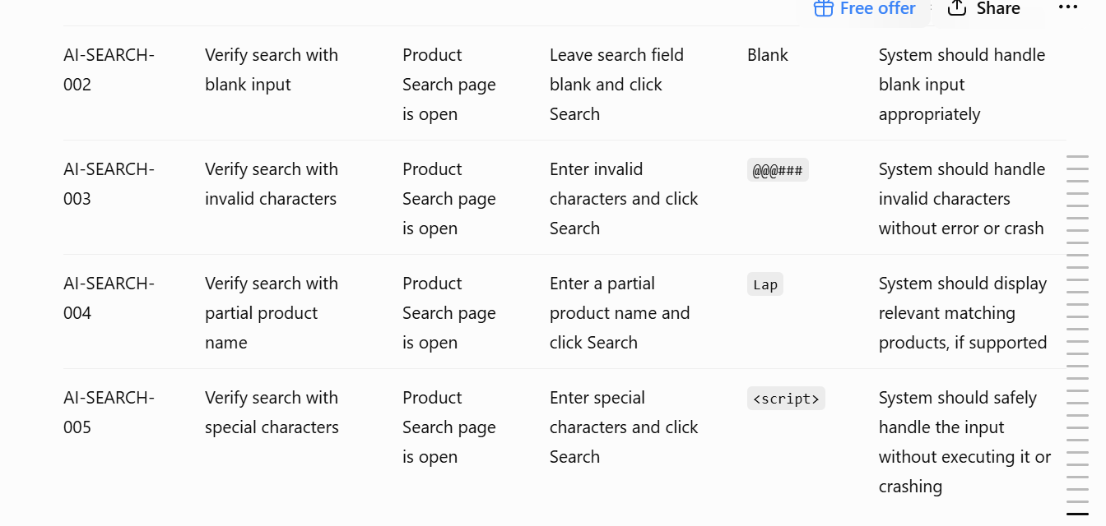
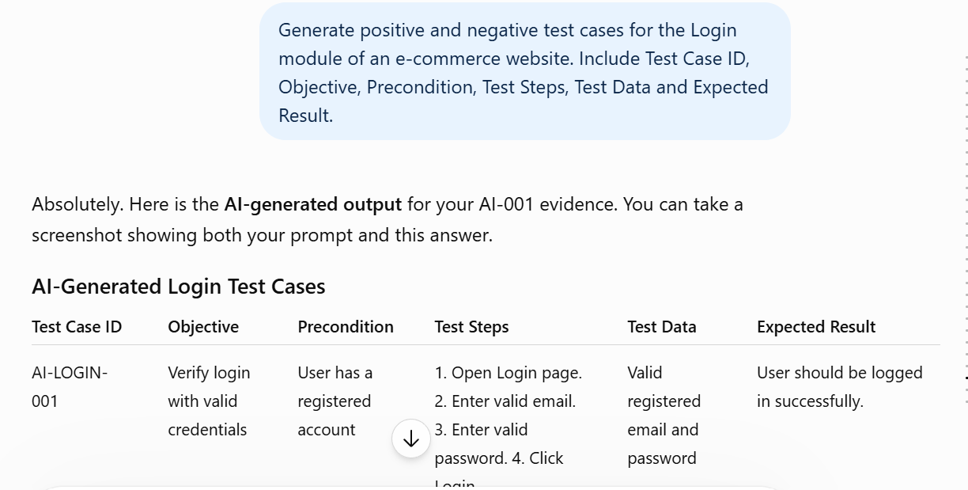
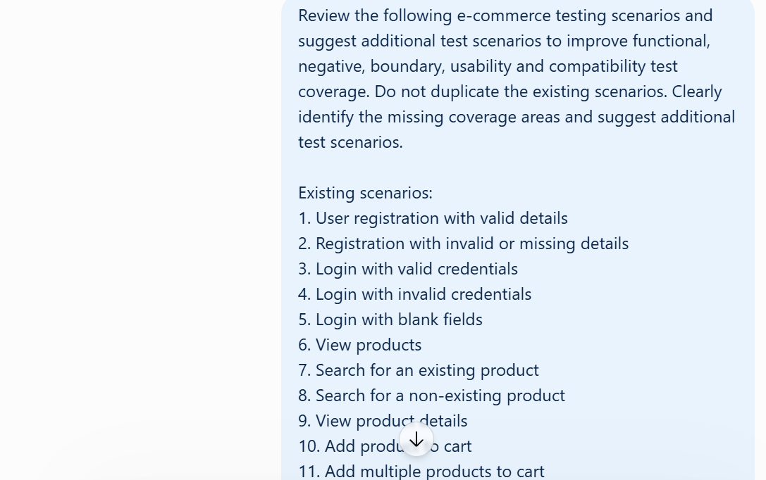
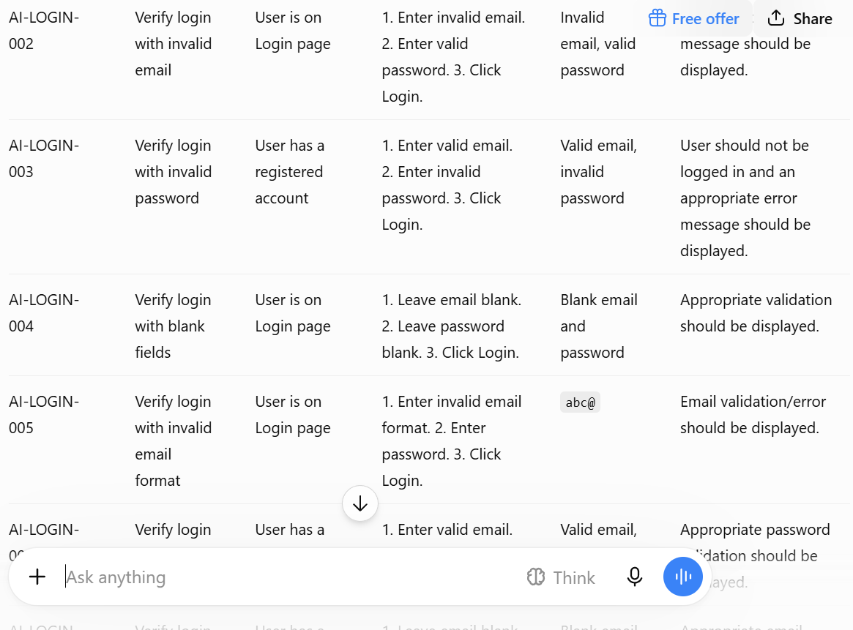
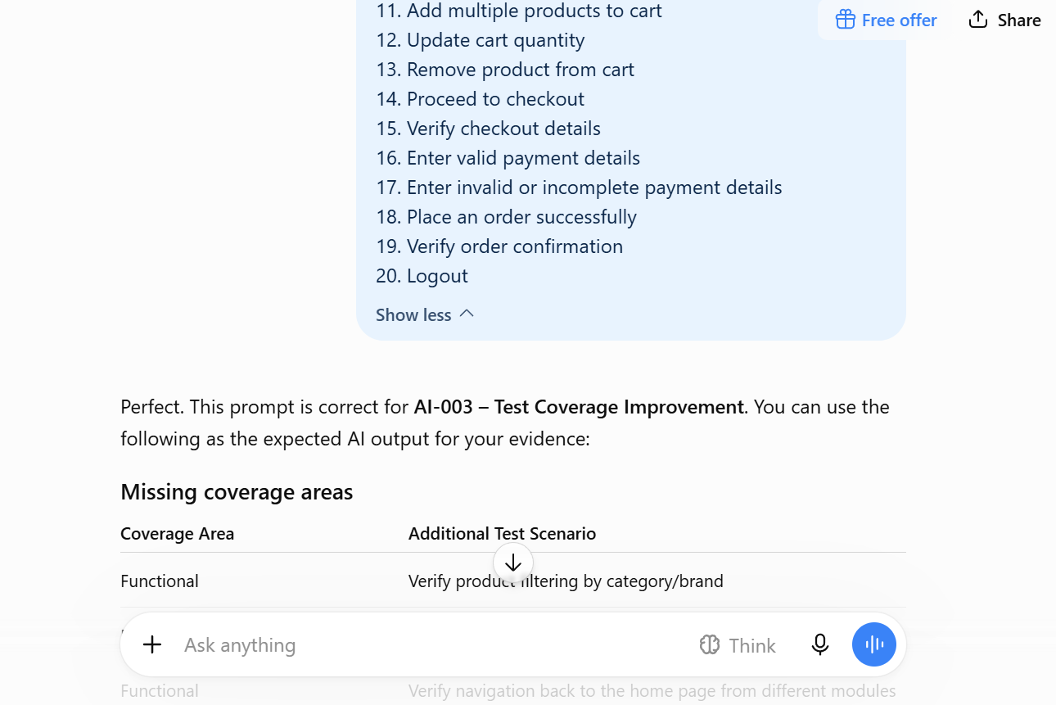
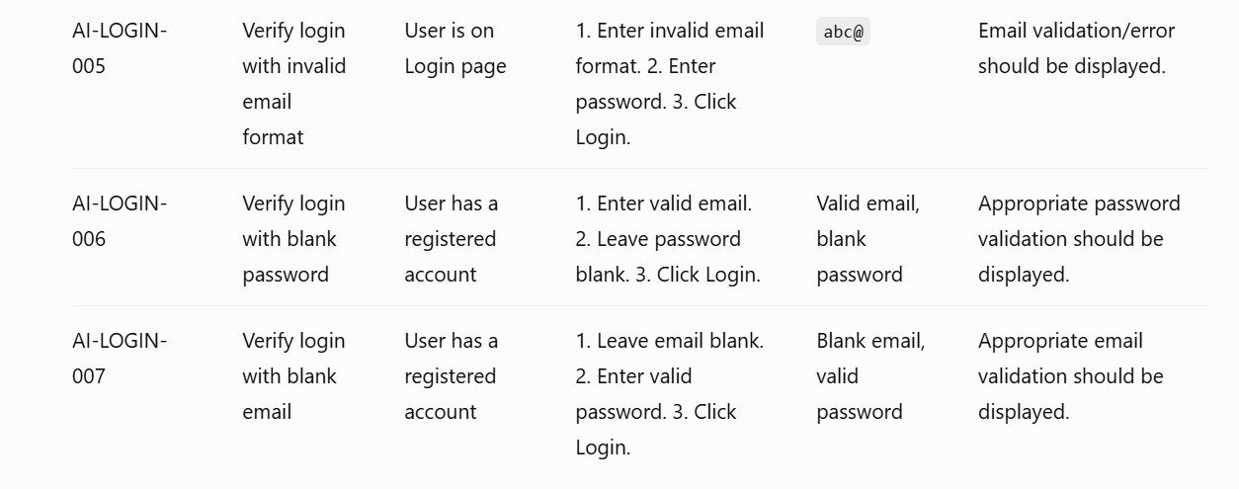
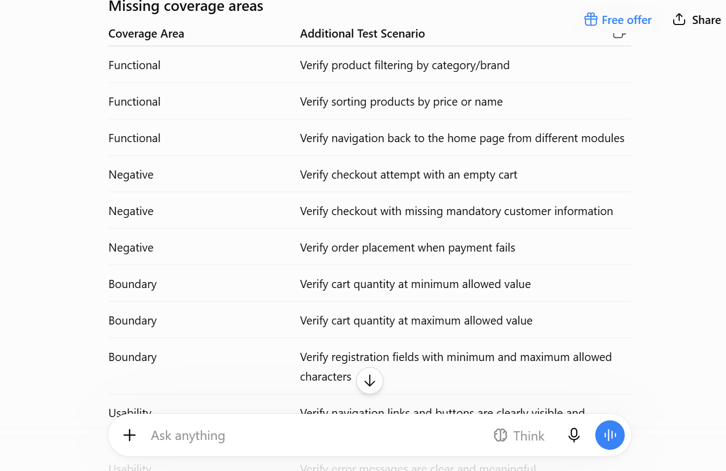
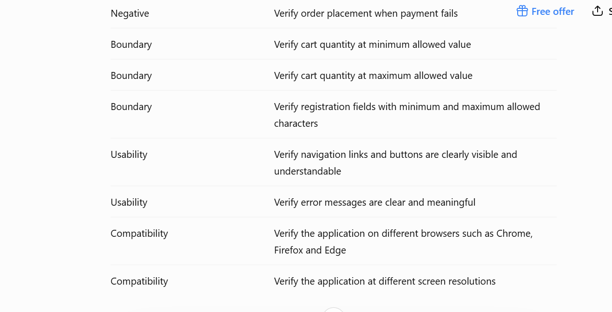
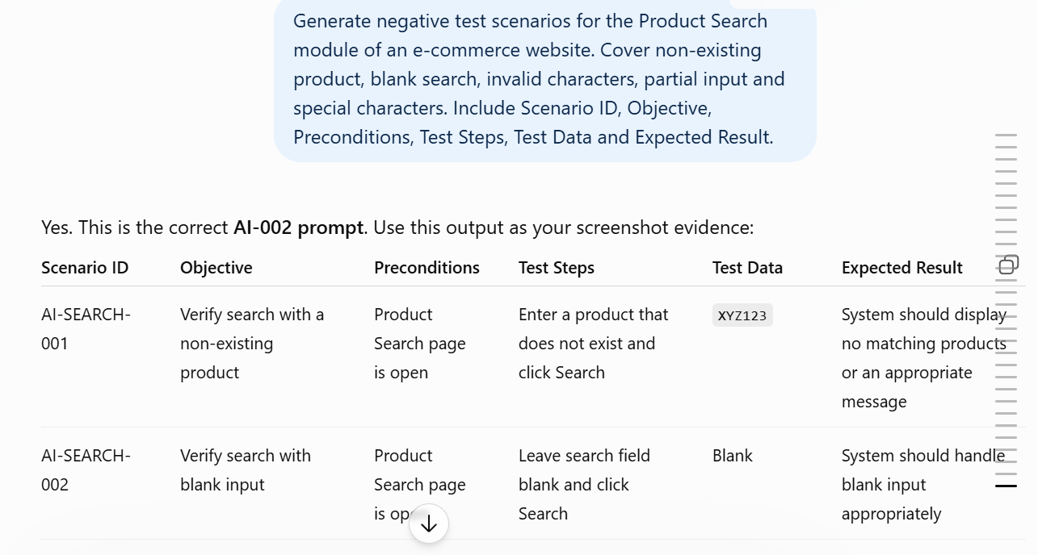
A | B
AI-001 – Login Test Case Generation | Screenshot 1
 | Screenshot 2
 | Screenshot 3
AI-002 – Negative Search Scenarios | Screenshot 1
 | Screenshot 2
AI-003 – Test Coverage Improvement | Screenshot 1
 | Screenshot 2
 | Screenshot 3

Screenshot size

